Starches
Company Name: | 0
PO Number: | 0 |  |  |  |  |  |  | Heating Directions
Column1 | Column2 | Size | Portions per Bag | Portions Needed | # Bags | Price per Bag | Price | Steamer Setting 265o | Oven Setting 325o
Starches
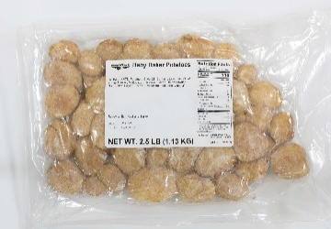 | Baby Baker Potatoes | 2.5lb | 10 |  | 0 | $13.57 | $0.00 | n/a | 15-20 min
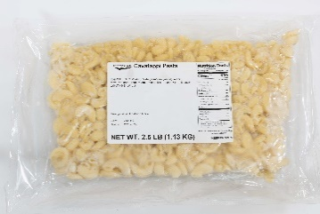 | Cavatappi Pasta | 2.5lb | 10 |  | 0 | $4.02 | $0.00 | 20-25 min
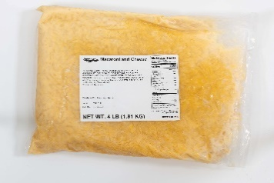 | Macaroni and Cheese | 4lb | 16 |  | 0 | $8.82 | $0.00 | 20-25 min
No Photo Available | Scalloped/AuGratin Potatoes |  | 10 |  | 0 | $6.11 | $0.00
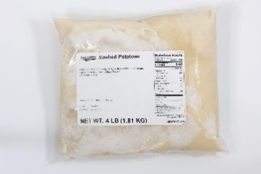 | Mashed Potatoes | 4lb | 16 |  | 0 | $8.76 | $0.00 | 10-15 min | n/a
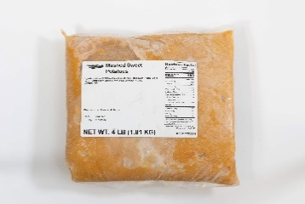 | Mashed Sweet Potatoes | 4lb | 16 |  | 0 | $8.31 | $0.00 | 10-15 min
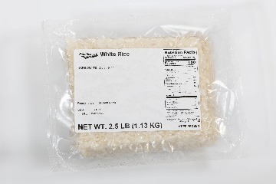 | White Rice | 2.5lb | 10 |  | 0 | $3.84 | $0.00 | 10-15 min
Totals |  |  |  | 0 | 0 |  | $0.00

Vegetables
Company Name: | 0
PO Number: | 0 |  |  |  |  |  |  | Heating Directions
Column1 | Column2 | Size | Portions per Bag | Portions Needed | # Bags | Price per Bag | Price | Steamer Setting 265o | Oven Setting 325o
Starches
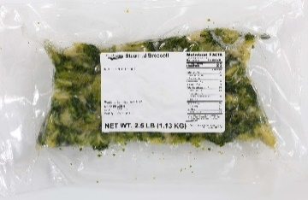 | Steamed Broccoli | 2.5lb | 10 |  | 0 | $9.44 | $0.00 | 10-15 min
No Photo Available | Capri Vegetables | 2.5lb | 10 |  | 0 | $9.73 | $0.00 | 10-15 min
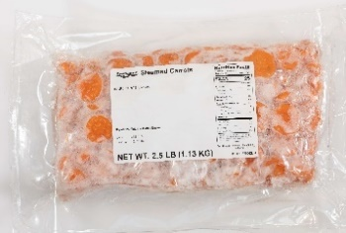 | Steamed Carrots | 2.5lb | 10 |  | 0 | $5.61 | $0.00 | 10-15 min
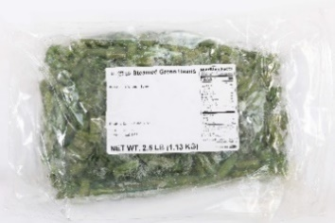 | Steamed Green Beans | 2.5lb | 10 |  | 0 | $5.49 | $0.00 | 10-15 min
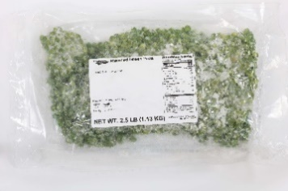 | Steamed Green Peas | 2.5lb | 10 |  | 0 | $6.48 | $0.00 | 10-15 min
Totals |  |  |  | 0 | 0 |  | $0.00

Proteins
Company Name: | 0
PO Number: | 0 |  |  |  |  |  |  | Heating Directions
Column1 | Column2 | Size | Portions per Bag | Portions Needed | # Bags | Price per Bag | Price | Steamer Setting 265o | Oven Setting 325o
Proteins
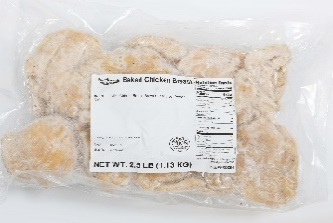 | Baked Chicken Breast | 2.5lb | 13 |  | 0 | $15.01 | $0.00 | 5-10 min
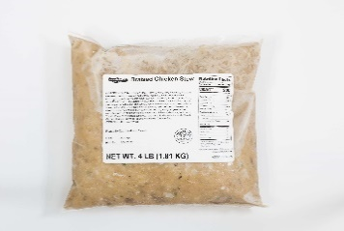 | Braised Chicken Stew | 4lb | 12 |  | 0 | $18.01 | $0.00 | 15-20 min
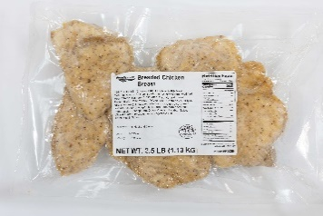 | Breaded Chicken Breast | 2.5lb | 13 |  | 0 | $16.42 | $0.00 | n/a | 10-15 min
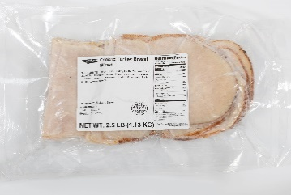 | Cooked Turkey Breast - Sliced | 2.5lb | 13 |  | 0 | $17.75 | $0.00 | 5-10 min
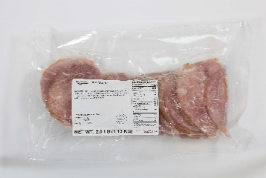 | Ham Steak - Sliced | 2.5lb | 13 |  | 0 | $12.07 | $0.00 | 5-10 min
No Photo Available | Pulled Pork | 2.5lb | 13 |  | 0 | $18.32 | $0.00 | 5-10 min
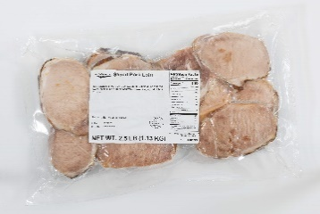 | Sliced Pork Loin | 2.5lb | 13 |  | 0 | $18.29 | $0.00 | 5-10 min
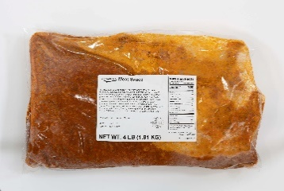 | Meat Sauce | 4lb | 12 |  | 0 | $11.01 | $0.00
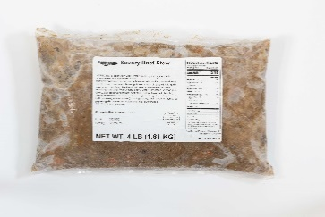 | Savory Beef Stew | 4lb | 8 |  | 0 | $16.91 | $0.00 | 20 min
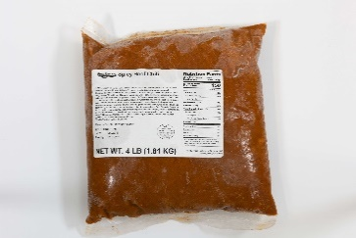 | Spicy Beef Chili | 4lb | 5 |  | 0 | $10.05 | $0.00 | 15-20 min
No Photo Available | Cheesy Beef & Macaroni Casserole | 4lb | 8 |  | 0 | $12.89 | $0.00 | 15-20 min
No Photo Available | Country Style Steak Fritter | 2.5lb | 13 |  | 0 | $23.16 | $0.00 | n/a | 10-15 min
No Photo Available | Sliced Roast Beef | 2.5lb | 13 |  | 0 | $20.10 | $0.00 | 5-10 min
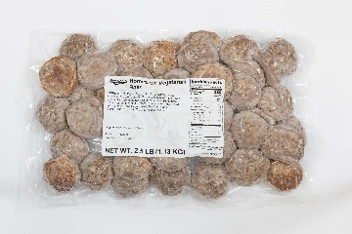 | Homestyle Vegetarian Balls | 2.5lb | 13 |  | 0 | $8.62 | $0.00 | 5-10 min | 15-20 min
Totals |  |  |  | 0 | 0 |  | $0.00

Sauces and Gravies
Company Name: | 0
PO Number: | 0 |  |  |  |  |  |  | Heating Directions
Column1 | Column2 | Size | Portions per Bag | Portions Needed | # Bags | Price per Bag | Price | Steamer Setting 265o | Oven Setting 325o
Proteins
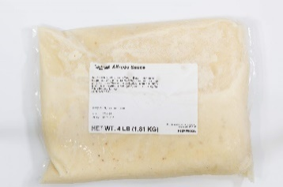 | Alfredo Sauce | 4lb | 16 |  | 0 | $9.78 | $0.00 | 15-20 min
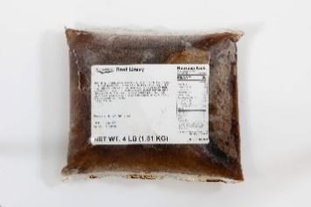 | Beef Gravy | 4lb | 32 |  | 0 | $3.84 | $0.00 | 15-20 min
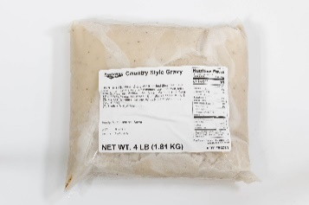 | Country Style Gravy | 4lb | 32 |  | 0 | $2.79 | $0.00 | 15-20 min
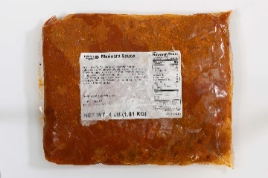 | Marinara Sauce | 4lb | 16 |  | 0 | $7.39 | $0.00 | 15-20 min
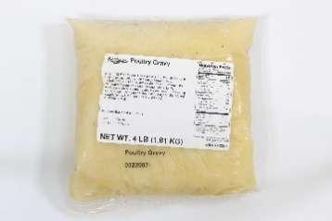 | Poultry Gravy | 4lb | 32 |  | 0 | $3.60 | $0.00 | 15-20 min
Totals |  |  |  | 0 | 0 |  | $0.00

Soups
Company Name: | 0
PO Number: | 0 |  |  |  |  |  |  | Heating Directions
Column1 | Column2 | Size | Portions per Bag | Portions Needed | # Bags | Price per Bag | Price | Steamer Setting 265o | Oven Setting 325o
Starches
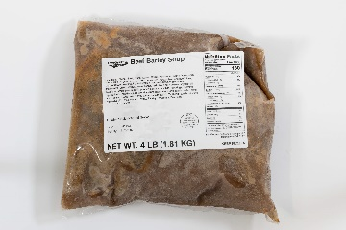 | Beef Barley Soup | 4lb | 10 |  | 0 | $11.52 | $0.00 | 15-20 min
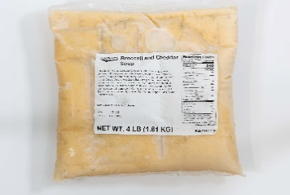 | Broccoli and Cheddar Soup | 4lb | 10 |  | 0 | $9.38 | $0.00 | 15-20 min
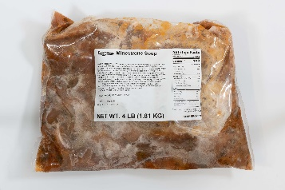 | Minestrone Soup | 4lb | 10 |  | 0 | $7.41 | $0.00 | 15-20 min
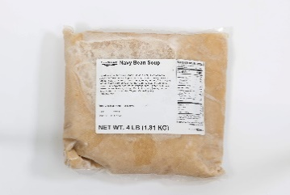 | Navy Bean Soup | 4lb | 10 |  | 0 | $4.78 | $0.00 | 15-20 min
No Photo Available | Chicken Noodle Soup | 4lb | 10 |  | 0 | $7.14 | $0.00 | 15-20 min
No Photo Available | French Onion Soup | 4lb | 10 |  | 0 | $6.57 | $0.00 | 15-20 min
Totals |  |  |  | 0 | 0 |  | $0.00

